Sheet1
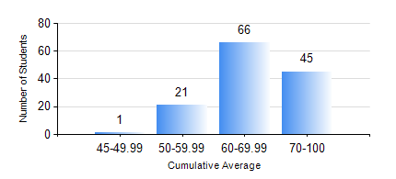
 |  |  | KWAME NKRUMAH UNIVERSITY OF SCIENCE AND TECHNOLOGY, KUMASI Department of Geological Engineering

 |  |  | BSC. GEOLOGICAL ENG.

 |  |  | COMPREHENSIVE RECORD OF EXAMINATION RESULTS

 |  |  | RESULTS OF YEAR 4 SECOND SEMESTER, 2021/2022 ACADEMIC YEAR

 | Sn | Course Code |  | Course Name | Credit Hours | Min. Mark | Max. Mark | Avg. Mark | Std. Dev. | No. Passed | No. Trailed | No. (Df) | No. (I) | No. (I*) | No. Tagged(I,I*,Df) | Total
 | 1. | CE 478 |  | GROUND ENGINEERING | 3 | 77 | 77 | 77 | 0 | 1 | 0 | 0 | 0 | 0 | 0 | 1
 | 2. | GED 452 |  | ADVANCED ENGINEERING GEOLOGY | 2 | 50 | 90 | 70 | 9.22 | 133 | 0 | 0 | 0 | 0 | 0 | 133
 | 3. | GED 454 |  | ENVIRONMENTAL GEOLOGY | 2 | 49 | 87 | 75 | 8.23 | 133 | 0 | 0 | 0 | 0 | 0 | 133
 | 4. | GED 458 |  | PROJECT II | 3 | 65 | 88 | 81 | 5.43 | 133 | 0 | 0 | 0 | 0 | 0 | 133
 | 5. | GED 462 |  | ECONOMIC GEOLOGY | 3 | 40 | 84 | 62 | 10.49 | 133 | 0 | 0 | 0 | 0 | 0 | 133
 | 6. | GED 464 |  | ENGINEERING MANAGEMENT | 2 | 41 | 87 | 70 | 9.42 | 133 | 0 | 0 | 0 | 0 | 0 | 133
 | 7. | GED 466 |  | PETROLEUM GEOLOGY | 3 | 41 | 81 | 62 | 10.51 | 99 | 0 | 0 | 0 | 0 | 0 | 99
 | 8. | GED 468 |  | GEOSTATISTICS | 3 | 45 | 94 | 79 | 11.15 | 49 | 0 | 0 | 0 | 0 | 0 | 49
 | 9. | GED 476 |  | GROUNDWATER DEVELOPMENT | 3 | 8 | 87 | 56 | 12.22 | 122 | 11 | 0 | 0 | 0 | 0 | 133

